Sheet1
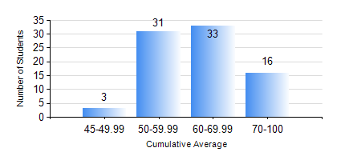
 |  |  | KWAME NKRUMAH UNIVERSITY OF SCIENCE AND TECHNOLOGY, KUMASI Department of Telecommunication Engineering

 |  |  | BSC. TELECOMMUNICATION ENG.

 |  |  | COMPREHENSIVE RECORD OF EXAMINATION RESULTS

 |  |  | RESULTS OF YEAR 4 FIRST SEMESTER, 2019/2020 ACADEMIC YEAR

 | Sn | Course Code |  | Course Name | Credit Hours | Min. Mark | Max. Mark | Avg. Mark | Std. Dev. | No. Passed | No. Trailed | No. (Df) | No. (I) | No. (I*) | No. Tagged(I,I*,Df) | Total
 | 0. |  |  |  |  |  |  | 0 | 0 | 0 | 0 | 0 | 0 | 0 | 0 | 1
 | 1. | COE 475 |  | COMPUTER NETWORKING | 4 | 28 | 94 | 72 | 13.28 | 81 | 1 | 0 | 0 | 0 | 0 | 82
 | 2. | EE 489 |  | INDUSTRIAL TRAINING | 1 | 61 | 97 | 85 | 7.79 | 82 | 0 | 0 | 0 | 0 | 0 | 82
 | 3. | ME 491 |  | ENGINEERING ECONOMICS AND MANAGEMENT | 3 | 43 | 85 | 67 | 7.92 | 82 | 0 | 0 | 0 | 0 | 0 | 82
 | 4. | TE 461 |  | COMPUTER APPLICATION ANDPROJECT DESIGN | 3 | 49 | 89 | 78 | 7.21 | 82 | 0 | 0 | 0 | 0 | 0 | 82
 | 5. | TE 471 |  | ELECTROMAGNETIC COMPATIBILITY | 3 | 43 | 93 | 69 | 11.36 | 81 | 0 | 0 | 1 | 0 | 1 | 82
 | 6. | TE 481 |  | WIRELESS DATA COMMUNICATION NETWORK | 3 | 40 | 87 | 60 | 13 | 82 | 0 | 0 | 0 | 0 | 0 | 82
 | 7. | TE 497 |  | PROJECT I | 3 | 74 | 88 | 83 | 3.87 | 82 | 0 | 0 | 0 | 0 | 0 | 82

